EP6 Module & Testing(90x1) Old
FORM:- First Piece Inspection & Last Piece Inspection
CELL :- EP6 Module Assly & Testing |  |  |  |  | Visual Inspection | Model
Sr. No. | Characteristics |  | Specification | Special Chara. Class |  | Date
 |  |  |  |  |  | Condition
 |  |  |  |  |  | Measurement Method | Shift:- | Shift:- | Shift:- | Shift:-
1 | No. Of Radiator Assly | S201 DSL/GSL/W153/ALTROZ | 1
2 | No. Of FMS Assly | S201 DSL/GSL/W153/ALTROZ | 1 |  | 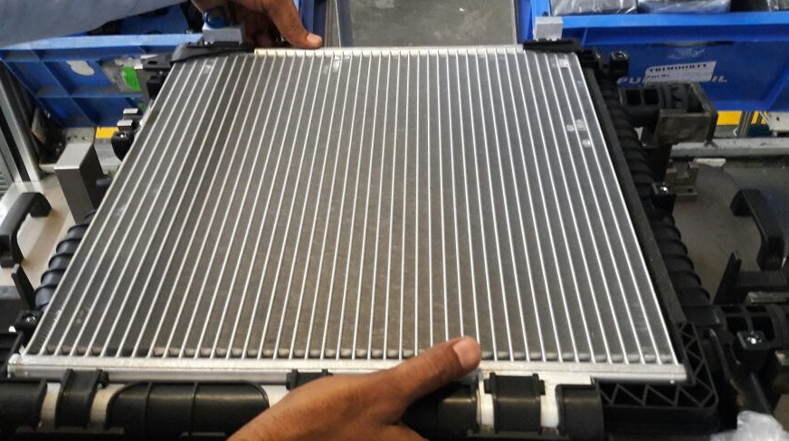
3 | No. Of Condenser | ALTROZ RAD | 1 |  |  | Visual
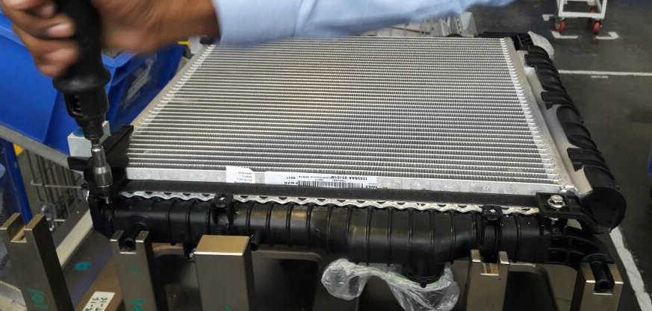
4 | No. Of Bolts for Condenser Assly | ALTROZ RAD | 2
9 | No. Of Bolts for FMS Assly | ALTROZ RAD | 6 |  | 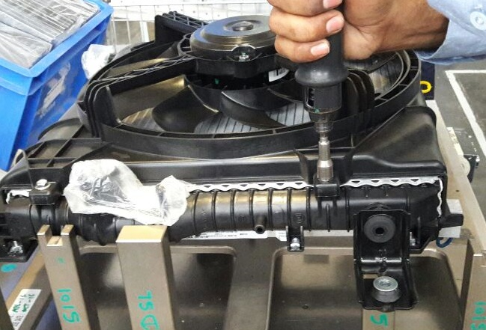
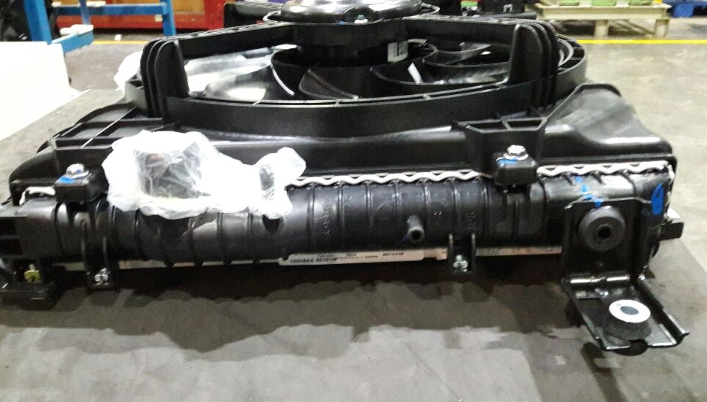
10 |  | S201 DSL/GSL | 2
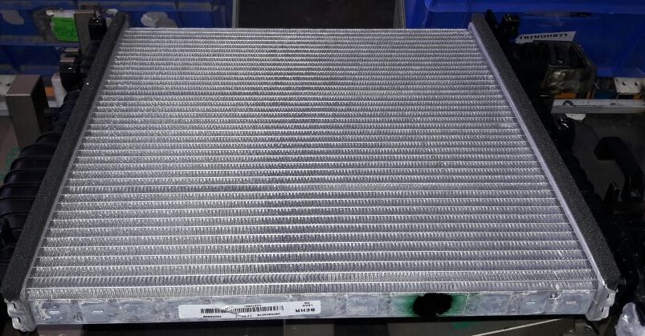

 | Big Foam | W153 | 1
 | Current | LOW SPEED W153 | Max 18 Amp |  |  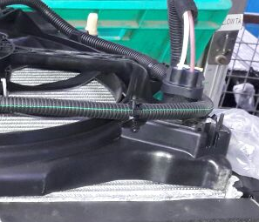 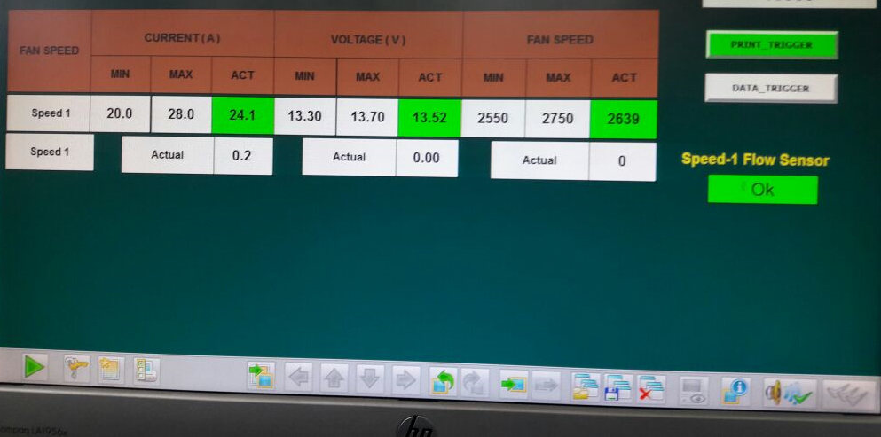 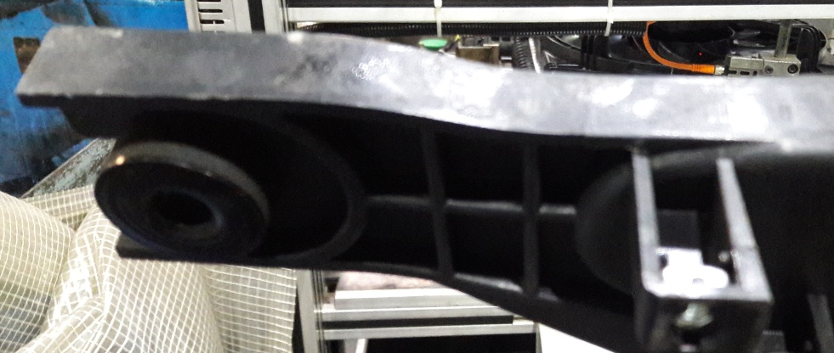
 |  | HIGH SPEED W153 | Max 33 Amp
 |  | LOW SPEED S201 GSL | Max 12.5 Amp
 |  | LOW SPEED S201 DSL | Max 12 Amp
 |  | HIGH SPEED S201 GSL | Max 17 Amp
 |  | HIGH SPEED S201 DSL | Max 25 Amp
 |  | LOW SPEED ALTROZ | Max 9.0 Amp
 |  | HIGH SPEED ALTROZ | Max 18 Amp
 | Rpm | LOW SPEED W153 | (1350 To 1550) RPM
 |  | HIGH SPEED W153 | (2400 To 2600) RPM
 |  | LOW SPEED S201 GSL | (1488 To 1712) RPM
 |  | LOW SPEED S201 DSL | (1302 To 1498) RPM
 |  | HIGH SPEED S201 GSL | (1767 To 2033) RPM
 |  | HIGH SPEED S201 DSL | (1953 To 2247) RPM
 |  | LOW SPEED ALTROZ | (1475 TO1725) RPM
 |  | HIGH SPEED ALTROZ | (2375 TO 2625) RPM
20 | Voltage | LOW SPEED S201 DSL | (13.30 To 14.00) V
 |  | HIGH SPEED S201 GSL/DSL | (13.30 To 13.70) V
 |  | LOW SPEED S201 GSL | (13.30 To 13.70) V
 |  | LOW SPEED W153 | (13.00 To 14.00) V
 |  | HIGH SPEED W153 | (13.00 To 14.00) V
 |  | LOW SPEED ALTROZ | (13.1 TO 13.9)V
 |  | HIGH SPEED ALTROZ | (13.1 TO 13.9)V
21 | Vibration | ALTROZ(3MM/SEC) | 6.8 mm/sec
22 | Direction of rotation | S201 GSL/DSL/W153/ALTROZ | Anti clock wise
23 | Programme Name |  |  |  |  | Progrme selection from HMI
24 | Barcode & Contents |  | Date |  | 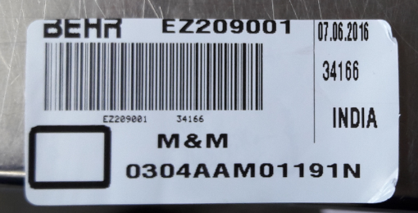 | Mention In Detail
 |  |  | Time
 |  |  | Customer Part No.
 |  |  | Mahle Part No.
 |  |  | LOGO
 |  |  | Sr. No.
A) Condition for First Piece Inspection :- 1] At Start of shift 2] End of shift or Model 3] Model &/or Set up change 4] Pokayoke Failure, corrected & production resumed 5] If poka yoke bypassed and production continued as per alternate poka yoke bypass document 6] More than 4 hour Planned shut down 7) During Abnormal Situations (7a-Emergency Alarm / 7b-Power Failure / 7c-Machine or Tool Breakdown - more than 45 mins / 7d-Inspection Guage or Instrument breakdown or fallen down) B) Reactivity Rule :- If any NC is found inform to CC/ Shift Incharge , Initiate actions for correction & After closure of NC treat the shift as a fresh shift , Start checking from the begining of the check points in the next column. C) Guideline for Supervisor's Approval: Supervisor need to do tick mark ( √ ) after verification of highlighted points. |  |  |  | Final Status
 |  |  |  | Checked By OE
 |  |  |  | Approved By CC
 |  |  |  | Time

Created By: |  | Uday Patil |  |  |  |  | Format /Rev No. |  | EP/F/ASSLY/FPA08-17
Approved By: |  | Gourav Jain |  |  |  |  | Date |  | 2022-05-05

